Format Tabel
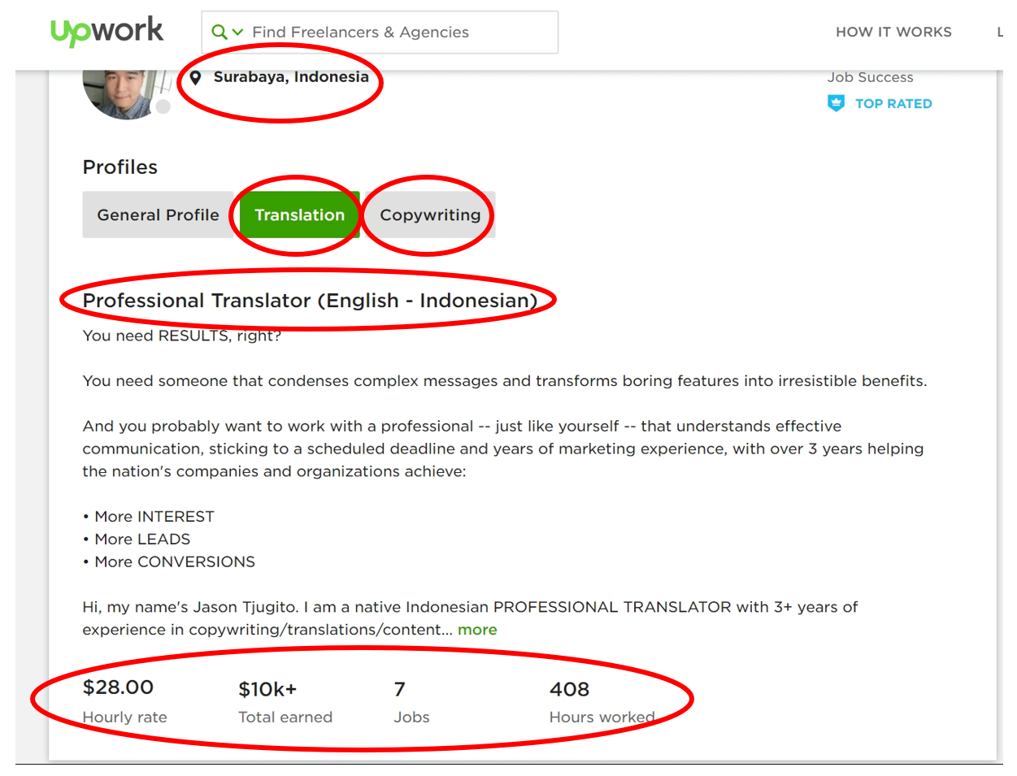
No ID | Title | Job Category | City | Hourly Rate | Total Earning | Number of Jobs | Total Hour
1 | Professional Translator (English - Indonesian) | Translation; Copy Writing | Surabaya | 28 | 10k+ | 7 | 408
2
3
…
1000

